1. Title Page
Project Name: Instacart Grocery Basket Analysis
Date: 05/08/2025
Analyst Name: Jason Roche

Contents:
Population Flow
Consistency checks
Wrangling steps
Column derivations
Visualizations
Recommendations

Data Citation:
"The Instacart Online Grocery Shopping Dataset 2017" | www.instacart.com/datasets/grocery-shopping-2017
For the purposes of the exercises within section 4, data such as 'prices' and some customer data was created and is not factual.

2. Population Flow
Title page

Population flow

Exclusion flag
Condition: max_order < 5
Obervations to be removed: 1,440,295
Final total count of order_products_all: 30,964,564

Orders_products_combined
Orders_products_merged
Orders_products_all

Total: 32,404,859
Total: 32,434,489
Total: 32,404,859

1.) The grey boxes in the first row of the population flow represent the original data sets as they were when you downloaded them. In the Total fields you need to add the count of the rows when you imported the data set into Jupyter.
2.) The second row of boxes (coloured) represents the data sets after you manipulated them, e.g., removed missing values and duplicates. In the Total fields you need to add the count of the rows after conducting these operations. This offers a visual oveview of how the data flows throughout the data consistency checks.
3.) The third row, where also the arrows are coloured, represents the merges you performed between the datasets. In the Total fields you need to add the count of the rows in the merged datasets, so that you end up with the final dataset (in the red box). Keep in mind the final dataset should be without exclusions (based on the exclusion flag).

3. Consistency checks
 |  |  |  | Title page
Consistency checks

Dataset: | Missing values: | Missing values treatment: | Duplicates:
orders |  | Untouched as they did not affect the final analysis. | 0
products | 16 missing values in the Product_name column. | The missing values were deleted as they did not contribute to the dataset. | 5, found and deleted
orders_products_prior | 0 | 0 | 0
customers | 0 | Some columns were deleted in line with security and privacy reasons. | 0

4. Wrangling steps
 |  |  |  | Title page
Wrangling steps

Columns dropped: | Columns renamed: | Columns' type changed: | Comment/Reason:
Customer ['First Name'] |  |  | Name was dropped for PII/security reasons.
Customer['Surname'] |  |  | Name was dropped for PII/security reasons.
eval_set |  |  | Had no relevance to the analysis.
 | user_id' : 'User ID'
 | Surnam' : 'Surname'
 | STATE' : 'State'
 | date_joined' : 'Date Joined'
 | 'n_dependants' : 'Number of Dependents
 | fam_status' : 'Family Status'
 | income' : 'Income'
 | order_dow' : 'order_days_of_week' |  | Easier to comprehend.
 |  | order_id changed to string | Was not necessary to be an integer data type.
 |  | user_id changed to string | Was not necessary to be an integer data type.

5. Column derivations
 |  |  |  | Title page

Column derivations and aggregations

In this tab you should add tables below that the frequences of flags/label variables that you produced after deriving them. NB: don't do this for continuous variables, only for flags.
Dataset | New column | Column/s it was derived from | Conditions
df_ords_prods_merge | 'price_range_loc' | 'prices' | ords_prods_merge.loc[ords_prods_merge['prices'] > 15, 'price_range_loc'] = 'High-range product' ords_prods_merge.loc[(ords_prods_merge['prices'] <= 15) & (ords_prods_merge['prices'] > 5), 'price_range_loc'] = 'Mid-range product' ords_prods_merge.loc[ords_prods_merge['prices'] <= 5, 'price_range_loc'] = 'Low-range product'
df_ords_prods_merge | 'busiest_period_of_day' | 'order_hour_of_day' | df_ords_prods_merge['busiest_period_of_day'] = result_3
df_ords_prods_merge | 'max_order' | Using the max of 'user_id' and 'order_number' | df['max_order'] = df.groupby(['user_id'])['order_number'].transform(np.max)
df_ords_prods_merge | 'loyalty_flag' | 'max_order' | df.loc[df['max_order'] > 40, 'loyalty_flag'] = 'Loyal customer' df.loc[(df['max_order'] <= 40) & (df['max_order'] > 10), 'loyalty_flag'] = 'Regular customer' df.loc[df['max_order'] <= 10, 'loyalty_flag'] = 'New customer'
df_ords_prods_merge | 'regions_USA' | 'State' | regions_USA = { # Northeast 'Maine' : 'Northeast', 'New Hampshire' : 'Northeast', 'Vermont' : 'Northeast', 'Massachusetts' : 'Northeast', 'Rhode Island' : 'Northeast', 'Connecticut' : 'Northeast', 'New York' : 'Northeast', 'Pennsylvania' : 'Northeast', 'New Jersey' : 'Northeast', # Midwest 'Wisconsin' : 'Midwest', 'Michigan' : 'Midwest', 'Illinois' : 'Midwest', 'Indiana' : 'Midwest', 'Ohio' : 'Midwest', 'North Dakota' : 'Midwest', 'South Dakota' : 'Midwest', 'Nebraska' : 'Midwest', 'Kansas' : 'Midwest', 'Minnesota' : 'Midwest', 'Iowa' : 'Midwest', 'Missouri' : 'Midwest', # South 'Delaware' : 'South', 'Maryland' : 'South', 'District of Columbia' : 'South', 'Virginia' : 'South', 'West Virginia' : 'South', 'North Carolina' : 'South', 'South Carolina' : 'South', 'Georgia' : 'South', 'Florida' : 'South', 'Kentucky' : 'South', 'Tennessee' : 'South', 'Mississippi' : 'South', 'Alabama' : 'South', 'Oklahoma' : 'South', 'Texas' : 'South', 'Arkansas' : 'South', 'Louisiana' : 'South', # West 'Idaho' : 'West', 'Montana' : 'West', 'Wyoming' : 'West', 'Nevada' : 'West', 'Utah' : 'West', 'Colorado' : 'West', 'Arizona' : 'West', 'New Mexico' : 'West', 'Alaska' : 'West', 'Washington' : 'West', 'Oregon' : 'West', 'California' : 'West', 'Hawaii' : 'West' df['Region'] = df['State'].map(regions_USA)
df_ords_prods_merge | 'frequent_customers_by_region' | 'Region' and 'order_frequency_flag' | frequent_customers_by_region = df.groupby(['Region', 'order_frequency_flag']).size()
df_customer_ords_merged_risk_free | 'exclusion_flag' | 'order_number' | df['exclusion_flag'] = df['order_number'] < 5
df_active_customers | profile_segment(row) 'Has dependents + Higher Income level' | 'Number of Dependents' and ' 'Income' | if row['Number of Dependents'] >= 2 and row['Income'] > 100000: return 'Has dependents + Higher Income level'
df_active_customers | profile_segment(row) 'Has dependents + Standard/Lower Income level' | 'Number of Dependents' and ' Age' | elif row['Number of Dependents'] >= 2: return 'Has dependents + Standard/Lower Income level'
df_active_customers | profile_segment(row) 'Under 30 + No dependents' | 'Number of Dependents' and ' Age' | elif row['Number of Dependents'] == 0 and row['Age'] < 30: return 'Under 30 + No dependents'
df_active_customers | profile_segment(row) '30 or older + No dependents' | 'Number of Dependents' and ' Age' | elif row['Number of Dependents'] == 0 and row['Age'] >=30: return '30 or older + No dependents'
df_active_customers | profile_segment(row) 'Not defined' | 'Number of Dependents' and ' 'Income' and 'Age'

Exercise 4.7: price_range_loc: | Exercise 4.7: busiest_period_of_day: | Exercise 4.8: loyalty_flag:
Mid-range product : 21860860 | Most orders: 21118071 | Regular customer: 15876776
Low-range product : 10126321 | Average orders: 9997651 | Loyal customer: 10284093
High-range product : 417678 | Fewest orders: 1289137 | New customer: 6243990
Name: count, dtype: int64 | Name: count, dtype: int64 | Name: count dtype: int64

Exercise 4.10 - Part 3: profile_segment: | Exercise 4.10 - Part 1:
Has dependents + Standard/Lower Income level: 6607012 | Region: | order_frequency_flag:
Not defined: 6082107 | Midwest: | Frequent Customer | 5304364
Has dependents + Higher Income level: 5620756 |  | Non-Frequent Customer | 640082
30 or older + No dependents: 4966944 |  | Regular Customer | 1652879

Under 30 + No dependents: 1138058 | Northeast: | Frequent Customer | 4022241
Name: count dtype: int64 |  | Non-Frequent Customer | 469934
 |  | Regular Customer | 1230561

 | South: | Frequent Customer | 7601261
 |  | Non-Frequent Customer | 897977
 |  | Regular Customer | 2292647

 | West: | Frequent Customer | 5862657
 |  | Non-Frequent Customer | 678735
 |  | Regular Customer | 1751521

 | dtype: | int64

6. Visualizations
 | Title page

Visualisations

In this tab you should include all the visualisations from Exercises 4.9 and 4.10, alongside the questions from the project brief that they answer. Include any commentary on the relationship between different variables.

Exercise 4.9: 3. You need to provide the Instacart senior stakeholders with descriptive findings about sales. Create a histogram of the 'order_hour_of_day' column.



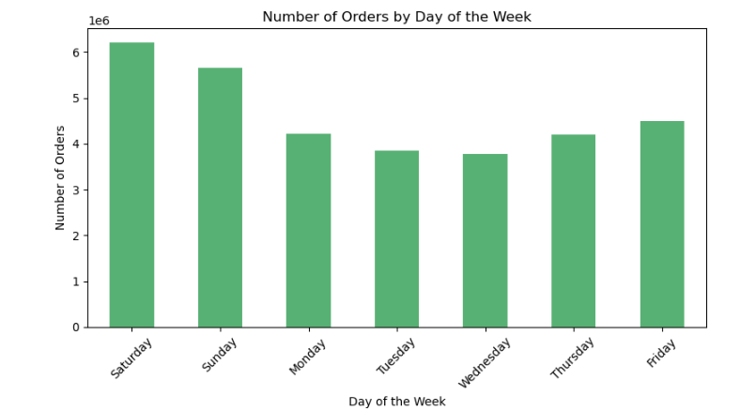

As seen in the histogram above, the busiest hours tend to be between the hours of 8am - 4pm. We see a drop off after the 4pm slot. The busiest times of a week are: - The weekend days of Saturday and Sunday - The least busy time we see happens Wednesdays

Exercise 4.9: 4. The marketing team is curious about the distribution of orders among customers in terms of loyalty. Create a bar chart from the “loyalty_flag” column.



The bar chart shows that the 'Regular customer' is the largest subset of the customer base, with 15876776, followed by the 'Loyal customer' at 10284093 and finally the lowest of the three is the 'New customer' at 6243990.

Exercise 4.9: 5. Check whether there’s a difference in expenditure (the “prices” column) depending on the hour of the day.
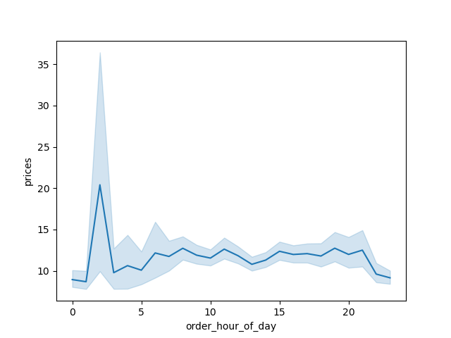

From the chart, it is clear that there is a difference in expenditure depending on the hour of the day.
- We see high prices in the night hours and consistent order volume through the working day (8am - 4pm again)
- We see a fall in orders and prices in the evening after 8pm, which leads back to the massive rise in between 12am - 5am

Exercise 4.9: 6. Now that you have information about customers, you need to conduct some exploratory analysis of customer demographics to inform the targeted marketing campaigns. First, determine whether there’s a connection between age and family situation by creating a line chart exploring the connections between age and number of dependents:

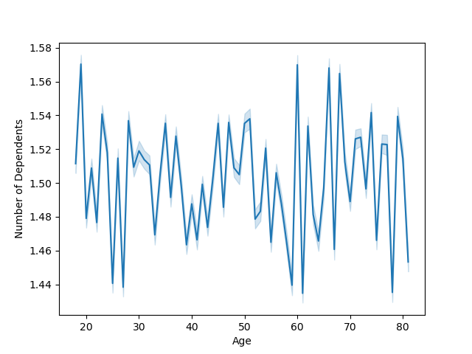

From the line chart, it is hard to see any clear relationship between the variables of age and number of dependents. I think we would need to view other variables to possible find any patterns.

Exercise 4.9: 7. You’ll also need to explore whether there’s a connection between age and spending power (income). To visualize this relationship, create a scatterplot using the sns.scatterplot() function.



The plot shows that income levels are widely distributed across all ages, meaning age alone doesn’t directly determine income.
Generally, the higher incomes are dispersed across several age groups without a clear age-related pattern.

Exercise 4.10: 3. Determine whether there’s a difference in spending habits between the different U.S. regions.

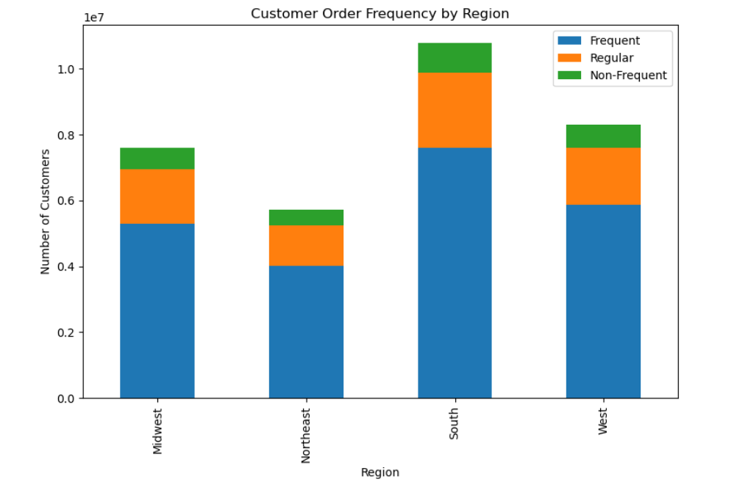
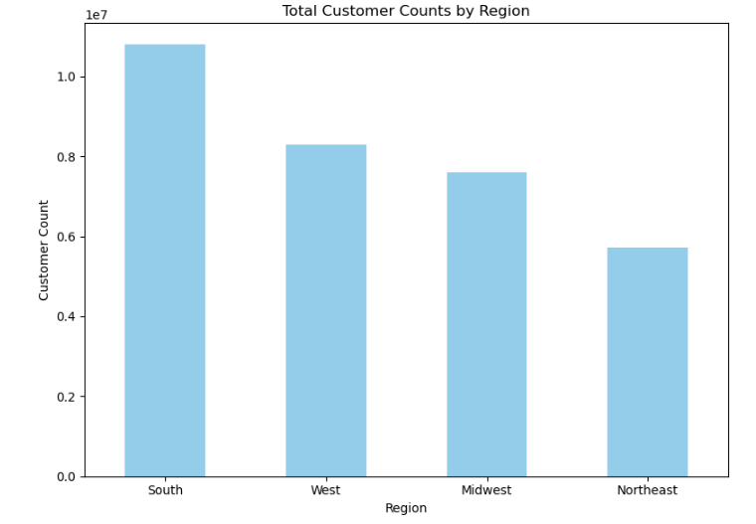

We can see that the South region of the USA has the most value counts regarding spending.
The Northeast region of the USA has the lowest total customer count.
We see that the South has the highest numbers of frequent customers also (7601261)
Interestingly, frequent customers are the majority in all regions.

Exercise 4.10: 6. Create an appropriate visualization to show the distribution of profiles.

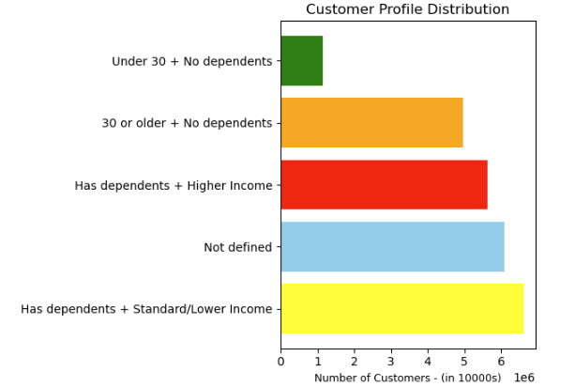
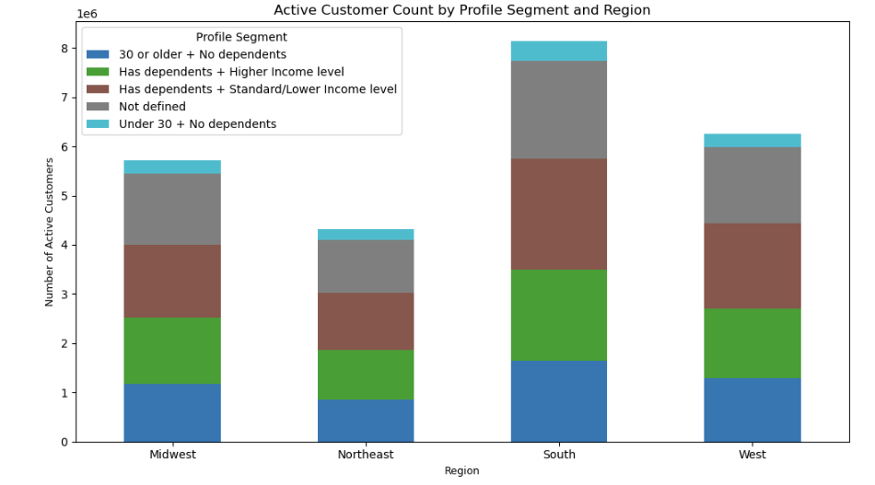

- In terms of links, the SOUTH and MIDWEST appear to have the 'traditional' household set up with dependents on decent to good salaries.

The stacked bar chart shows that the MIDWEST has the most balanced distribution across the segments I have established.
The SOUTH has the largest number in 'Has dependents + Standard/Lower Income level'.
The WEST and NORTHWEST both have more prominent 'Under 30 + No dependents' and 'Undefined'
In terms of links, the SOUTH and MIDWEST appear to have the 'traditional' household set up with dependents on decent to good salaries.
The WEST and NORTHWEST seem to lean towards a younger or not defined profile, which could mean a different population make up in terms of age, stage of life, etc.

Exercise 4.9: What differences can you find in ordering habits of different customer profiles?
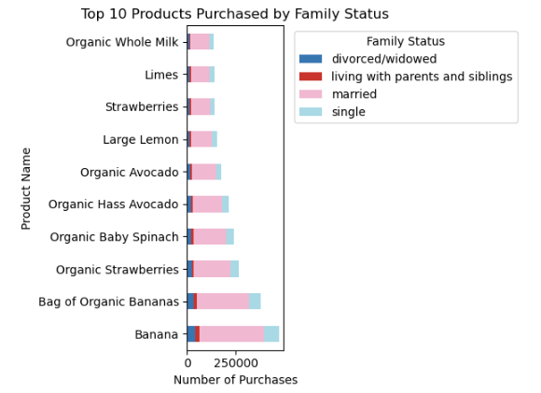

A majority of the top 10 products are organic (e.g. Organic Avocado, Organic Hass Avocado, Organic Strawberries, Organic Whole Milk). That hints at a health-conscious customer base.
Bananas & Bag of Organic Bananas: 'Single' and 'Living with Family' buyers lead here—likely due to ease of use and affordability.
Organic Items (Milk, Avocados, Spinach): Especially popular among 'Single' consumers, hinting at a more health-conscious demographic.
Citrus (Limes, Lemon): Divorced/Widowed buyers show preference, possibly reflecting cooking habits or smaller households.

7. Recommendations
 |  |  | Title page

Recommendations

In this tab you should include any recommendations you would made to Instcart in terms of their marketing strategy based on the questions posed in the brief. Every key question has been covered in the Tasks of the Exercises - here you need to add an item - a visualisation or table/crosstable that is showing the answer in the data, acompanied by a comment from you. Please, list the questions below and add the answer underneath.

Question: | Answer: | Recommendations:
What are the busiest and least busy times of the week? | The busiest times of a week are: - The weekend days of Saturday and Sunday between 9 AM to 4 PM - The least busy time we see happens Wednesdays from 2 -5 AM | For the weekends, this could be used as a time to drive loyalty initiatives and discounts, helping to boost retention.
What are the busiest hours of the day? | The busiest hours tend to be between the hours of 8am - 4pm. We see a drop off after the 4pm slot. | My recommendation would be to maximise the traffic seen during the peak hours, this could be done with something like special discounts or incentives in this window of time. It is crucial to ensure that all of Instacart's infrastructure is performing during this peak window.
Is there a difference in expenditure depending on the time of the day? | Yes, we see high prices in the night hours and consistent order volume through the working day (8am - 4pm again) We see a fall in orders and prices in the evening after 8pm, which leads back to the massive rise in between 12am - 5am | Trial some discounts/offers during this period to drive more customers. This is a time when there are not as many customers, so website traffic should not be an issue.
How often do customers return and shop on the Instacart platform? (related to loyalty) | 'Regular customer' is the largest subset of the customer base, with 15876776, followed by the 'Loyal customer' at 10284093 and finally the lowest of the three is the 'New customer' at 6243990. | Reward loyal customers by giving them more discounts or deals. This in-turn could lead to more 'regular' customers, becoming loyal customers when they see the benefits.
Is there a relationship between family status and the age groups of customers regarding purchasing on the platform? | It is hard to see any clear relationship between the variables of age and number of dependents | Trial specials/discounts aimed at different demographics to bring different business demographics to the site. However, more research is needed to determine if there is a true relationship here.
Is there a relationship between income level and the age groups of customers? | Generally, the higher incomes are dispersed across several age groups without a clear age-related pattern. | I would recommend further research on this area. My idea woulbe to look at orders and their times throughout the day, crossed with income level, to see if the higher-income level customers are active during the peak period, or at another time.
Do we see a difference in ordering habits depending on the region a customer lives in? | We can see that the South region of the USA has the most value counts regarding spending. The Northeast region of the USA has the lowest total customer count. We see that the South has the highest numbers of frequent customers also (7601261) Interestingly, frequent customers are the majority in all regions. | More targeted plans for the Northeast should be a priority. From a demographics' perspective, the Northeast has an even distribution of the groups I looked at, so campaigns need to be tailored to certain groups, but varied to build between the different groups (eg, students, adults under 30 and high or low income level households)
What differences can you find in ordering habits of different customer profiles? | A majority of the top 10 products are organic (e.g. Organic Avocado, Organic Hass Avocado, Organic Strawberries, Organic Whole Milk). That hints at a health-conscious customer base. Bananas & Bag of Organic Bananas: 'Single' and 'Living with Family' buyers lead here—likely due to ease of use and affordability. Organic Items (Milk, Avocados, Spinach): Especially popular among 'Single' consumers, hinting at a more health-conscious demographic. Citrus (Limes, Lemon): Divorced/Widowed buyers show preference, possibly reflecting cooking habits or smaller households. | Organic items are already quite popular, use this popularity to promote the brand and offerings as fresh, having health beenfits and for recipe ideas. Bananas are a favourite across all categories, as simple as they are, keep them in a highlighted place.

